Datailed Inquiry Information
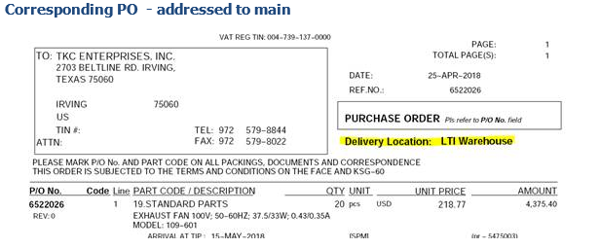
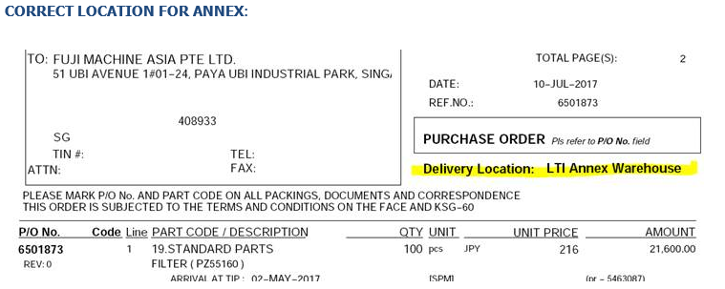
Detailed Inquiry Information

 | PLEASE PROVIDE EVIDENCE OF REQUEST / DETAILS OF REQUEST HERE (IN DETAIL).

Detailed Investigation Result
Detailed Investigation Result

 | Checking of PR

 | select *
 | from apps.po_requisition_headers_all
 | where segment1 = '5475003';

 | select *
 | from apps.po_requisition_lines_all
 | where requisition_header_id = '6593520';

 | REQUISITION_LINE_ID | REQUISITION_HEADER_ID | LINE_NUM | LINE_TYPE_ID | CATEGORY_ID | ITEM_DESCRIPTION | UNIT_MEAS_LOOKUP_CODE | UNIT_PRICE | QUANTITY | DELIVER_TO_LOCATION_ID | TO_PERSON_ID | LAST_UPDATE_DATE | LAST_UPDATED_BY | SOURCE_TYPE_CODE | LAST_UPDATE_LOGIN | CREATION_DATE | CREATED_BY | ITEM_ID | ITEM_REVISION | QUANTITY_DELIVERED | SUGGESTED_BUYER_ID | ENCUMBERED_FLAG | RFQ_REQUIRED_FLAG | NEED_BY_DATE | LINE_LOCATION_ID | MODIFIED_BY_AGENT_FLAG | PARENT_REQ_LINE_ID | JUSTIFICATION | NOTE_TO_AGENT | NOTE_TO_RECEIVER | PURCHASING_AGENT_ID | DOCUMENT_TYPE_CODE | BLANKET_PO_HEADER_ID | BLANKET_PO_LINE_NUM | CURRENCY_CODE | RATE_TYPE | RATE_DATE | RATE | CURRENCY_UNIT_PRICE | SUGGESTED_VENDOR_NAME | SUGGESTED_VENDOR_LOCATION | SUGGESTED_VENDOR_CONTACT | SUGGESTED_VENDOR_PHONE | SUGGESTED_VENDOR_PRODUCT_CODE | UN_NUMBER_ID | HAZARD_CLASS_ID | MUST_USE_SUGG_VENDOR_FLAG | REFERENCE_NUM | ON_RFQ_FLAG | URGENT_FLAG | CANCEL_FLAG | SOURCE_ORGANIZATION_ID | SOURCE_SUBINVENTORY | DESTINATION_TYPE_CODE | DESTINATION_ORGANIZATION_ID | DESTINATION_SUBINVENTORY | QUANTITY_CANCELLED | CANCEL_DATE | CANCEL_REASON | CLOSED_CODE | AGENT_RETURN_NOTE | CHANGED_AFTER_RESEARCH_FLAG | VENDOR_ID | VENDOR_SITE_ID | VENDOR_CONTACT_ID | RESEARCH_AGENT_ID | ON_LINE_FLAG | WIP_ENTITY_ID | WIP_LINE_ID | WIP_REPETITIVE_SCHEDULE_ID | WIP_OPERATION_SEQ_NUM | WIP_RESOURCE_SEQ_NUM | ATTRIBUTE_CATEGORY | DESTINATION_CONTEXT | INVENTORY_SOURCE_CONTEXT | VENDOR_SOURCE_CONTEXT | ATTRIBUTE1 | ATTRIBUTE2 | ATTRIBUTE3 | ATTRIBUTE4 | ATTRIBUTE5 | ATTRIBUTE6 | ATTRIBUTE7 | ATTRIBUTE8 | ATTRIBUTE9 | ATTRIBUTE10 | ATTRIBUTE11 | ATTRIBUTE12 | ATTRIBUTE13 | ATTRIBUTE14 | ATTRIBUTE15 | BOM_RESOURCE_ID | REQUEST_ID | PROGRAM_APPLICATION_ID | PROGRAM_ID | PROGRAM_UPDATE_DATE | USSGL_TRANSACTION_CODE | GOVERNMENT_CONTEXT | CLOSED_REASON | CLOSED_DATE | TRANSACTION_REASON_CODE | QUANTITY_RECEIVED | SOURCE_REQ_LINE_ID | ORG_ID | GLOBAL_ATTRIBUTE1 | GLOBAL_ATTRIBUTE2 | GLOBAL_ATTRIBUTE3 | GLOBAL_ATTRIBUTE4 | GLOBAL_ATTRIBUTE5 | GLOBAL_ATTRIBUTE6 | GLOBAL_ATTRIBUTE7 | GLOBAL_ATTRIBUTE8 | GLOBAL_ATTRIBUTE9 | GLOBAL_ATTRIBUTE10 | GLOBAL_ATTRIBUTE11 | GLOBAL_ATTRIBUTE12 | GLOBAL_ATTRIBUTE13 | GLOBAL_ATTRIBUTE14 | GLOBAL_ATTRIBUTE15 | GLOBAL_ATTRIBUTE16 | GLOBAL_ATTRIBUTE17 | GLOBAL_ATTRIBUTE18 | GLOBAL_ATTRIBUTE19 | GLOBAL_ATTRIBUTE20 | GLOBAL_ATTRIBUTE_CATEGORY | KANBAN_CARD_ID | CATALOG_TYPE | CATALOG_SOURCE | MANUFACTURER_ID | MANUFACTURER_NAME | MANUFACTURER_PART_NUMBER | REQUESTER_EMAIL | REQUESTER_FAX | REQUESTER_PHONE | UNSPSC_CODE | OTHER_CATEGORY_CODE | SUPPLIER_DUNS | TAX_STATUS_INDICATOR | PCARD_FLAG | NEW_SUPPLIER_FLAG | AUTO_RECEIVE_FLAG | TAX_USER_OVERRIDE_FLAG | TAX_CODE_ID | NOTE_TO_VENDOR | OKE_CONTRACT_VERSION_ID | OKE_CONTRACT_HEADER_ID | ITEM_SOURCE_ID | SUPPLIER_REF_NUMBER | SECONDARY_UNIT_OF_MEASURE | SECONDARY_QUANTITY | PREFERRED_GRADE | SECONDARY_QUANTITY_RECEIVED | SECONDARY_QUANTITY_CANCELLED | VMI_FLAG | AUCTION_HEADER_ID | AUCTION_DISPLAY_NUMBER | AUCTION_LINE_NUMBER | REQS_IN_POOL_FLAG | BID_NUMBER | BID_LINE_NUMBER | NONCAT_TEMPLATE_ID | SUGGESTED_VENDOR_CONTACT_FAX | SUGGESTED_VENDOR_CONTACT_EMAIL | AMOUNT | CURRENCY_AMOUNT | LABOR_REQ_LINE_ID | JOB_ID | JOB_LONG_DESCRIPTION | CONTRACTOR_STATUS | CONTACT_INFORMATION | SUGGESTED_SUPPLIER_FLAG | CANDIDATE_SCREENING_REQD_FLAG | CANDIDATE_FIRST_NAME | CANDIDATE_LAST_NAME | ASSIGNMENT_END_DATE | OVERTIME_ALLOWED_FLAG | CONTRACTOR_REQUISITION_FLAG | DROP_SHIP_FLAG | ASSIGNMENT_START_DATE | ORDER_TYPE_LOOKUP_CODE | PURCHASE_BASIS | MATCHING_BASIS | NEGOTIATED_BY_PREPARER_FLAG | SHIP_METHOD | ESTIMATED_PICKUP_DATE | SUPPLIER_NOTIFIED_FOR_CANCEL | BASE_UNIT_PRICE | AT_SOURCING_FLAG | TAX_ATTRIBUTE_UPDATE_CODE | TAX_NAME | TRANSFERRED_TO_OE_FLAG | CONFORMED_LINE_ID | AMENDMENT_TYPE | AMENDMENT_STATUS | LINE_NUM_DISPLAY | GROUP_LINE_ID | CLM_INFO_FLAG | CLM_OPTION_INDICATOR | CLM_BASE_LINE_NUM | CLM_OPTION_NUM | CLM_OPTION_FROM_DATE | CLM_OPTION_TO_DATE | CLM_FUNDED_FLAG | UDA_TEMPLATE_ID | CONTRACT_TYPE | COST_CONSTRAINT | AMENDMENT_RESPONSE_REASON | CLM_PERIOD_PERF_START_DATE | CLM_PERIOD_PERF_END_DATE | CLM_EXTENDED_ITEM_DESCRIPTION | CLM_OPTION_EXERCISED
 | 6774043 | 6,593,520 | 1 | 1 | 1454 | EXHAUST FAN 100V; 50-60HZ; 37.5/33W; 0.43/0.35A MODEL: 109-601 | pcs | 219 | 20 | 205 | 3706 | 04/18/2018 | 8149 | VENDOR | 24813489 | 04/13/2018 | 9390 | 204,009 |  | 0 | 3683 | N | Y | 05/15/2018 | 7,878,398 |  |  |  |  |  |  |  |  |  | USD |  | 04/13/2018 |  |  |  |  |  |  |  |  |  |  |  |  |  |  |  |  | EXPENSE | 102 |  |  |  |  |  |  | N |  |  |  |  |  |  |  |  |  |  |  | EXPENSE |  |  | RO | 651628 | STANDARD PART |  |  |  |  |  |  |  |  |  |  | N |  |  |  |  |  |  |  |  |  |  |  |  |  | 101 |  |  |  |  |  |  |  |  |  |  |  |  |  |  |  |  |  |  |  |  |  |  |  |  |  |  |  |  |  |  |  |  |  |  |  |  |  |  |  |  |  |  |  |  |  |  |  |  |  |  |  |  |  |  |  |  |  |  |  |  |  |  |  |  |  |  |  |  |  |  |  |  |  |  |  | QUANTITY | GOODS | QUANTITY |  |  |  |  | 219
 | 6774044 | 6,593,520 | 2 | 1 | 1454 | FAN BRACKET - SR6FA-1159 M120 | pcs | 7 | 20 | 205 | 3706 | 04/18/2018 | 8149 | VENDOR | 24813489 | 04/13/2018 | 9390 | 204,009 |  | 0 | 3683 | N | Y | 05/15/2018 | 7,878,402 |  |  |  |  |  |  |  |  |  | USD |  | 04/13/2018 |  |  |  |  |  |  |  |  |  |  |  |  |  |  |  |  | EXPENSE | 102 |  |  |  |  |  |  | N |  |  |  |  |  |  |  |  |  |  |  | EXPENSE |  |  | RO | 651628 | STANDARD PART |  |  |  |  |  |  |  |  |  |  | N |  |  |  |  |  |  |  |  |  |  |  |  |  | 101 |  |  |  |  |  |  |  |  |  |  |  |  |  |  |  |  |  |  |  |  |  |  |  |  |  |  |  |  |  |  |  |  |  |  |  |  |  |  |  |  |  |  |  |  |  |  |  |  |  |  |  |  |  |  |  |  |  |  |  |  |  |  |  |  |  |  |  |  |  |  |  |  |  |  |  | QUANTITY | GOODS | QUANTITY |  |  |  |  | 7
 | 6774046 | 6,593,520 | 3 | 1 | 1454 | FINGER GUARD - 109-620 | pcs | 7 | 20 | 205 | 3706 | 04/18/2018 | 8149 | VENDOR | 24813489 | 04/13/2018 | 9390 | 204,009 |  | 0 | 3683 | N | Y | 05/15/2018 | 7,878,403 |  |  |  |  |  |  |  |  |  | USD |  | 04/13/2018 |  |  |  |  |  |  |  |  |  |  |  |  |  |  |  |  | EXPENSE | 102 |  |  |  |  |  |  | N |  |  |  |  |  |  |  |  |  |  |  | EXPENSE |  |  | RO | 651628 | STANDARD PART |  |  |  |  |  |  |  |  |  |  | N |  |  |  |  |  |  |  |  |  |  |  |  |  | 101 |  |  |  |  |  |  |  |  |  |  |  |  |  |  |  |  |  |  |  |  |  |  |  |  |  |  |  |  |  |  |  |  |  |  |  |  |  |  |  |  |  |  |  |  |  |  |  |  |  |  |  |  |  |  |  |  |  |  |  |  |  |  |  |  |  |  |  |  |  |  |  |  |  |  |  | QUANTITY | GOODS | QUANTITY |  |  |  |  | 7
 | 6774047 | 6,593,520 | 4 | 1 | 1454 | CROSS RECESS PAN HEAD SCREW W/ SPRING, PLAIN WASHER - M5X60 | pcs | 1 | 80 | 205 | 3706 | 04/18/2018 | 8149 | VENDOR | 24813489 | 04/13/2018 | 9390 | 204,009 |  | 0 | 3683 | N | Y | 05/15/2018 | 7,878,392 |  |  |  |  |  |  |  |  |  | USD |  | 04/13/2018 |  |  |  |  |  |  |  |  |  |  |  |  |  |  |  |  | EXPENSE | 102 |  |  |  |  |  |  | N |  |  |  |  |  |  |  |  |  |  |  | EXPENSE |  |  | RO | 651628 | STANDARD PART |  |  |  |  |  |  |  |  |  |  | N |  |  |  |  |  |  |  |  |  |  |  |  |  | 101 |  |  |  |  |  |  |  |  |  |  |  |  |  |  |  |  |  |  |  |  |  |  |  |  |  |  |  |  |  |  |  |  |  |  |  |  |  |  |  |  |  |  |  |  |  |  |  |  |  |  |  |  |  |  |  |  |  |  |  |  |  |  |  |  |  |  |  |  |  |  |  |  |  |  |  | QUANTITY | GOODS | QUANTITY |  |  |  |  | 1

 | select *
 | from apps.hr_locations_all
 | where ship_to_location_id = 205;

Must be change to Annex Warehouse

 | TIP ISD Helpdesk User > Purchasing Setup > Organizations > Locations

Must be change to Annex Warehouse

Actual Operation Evidence
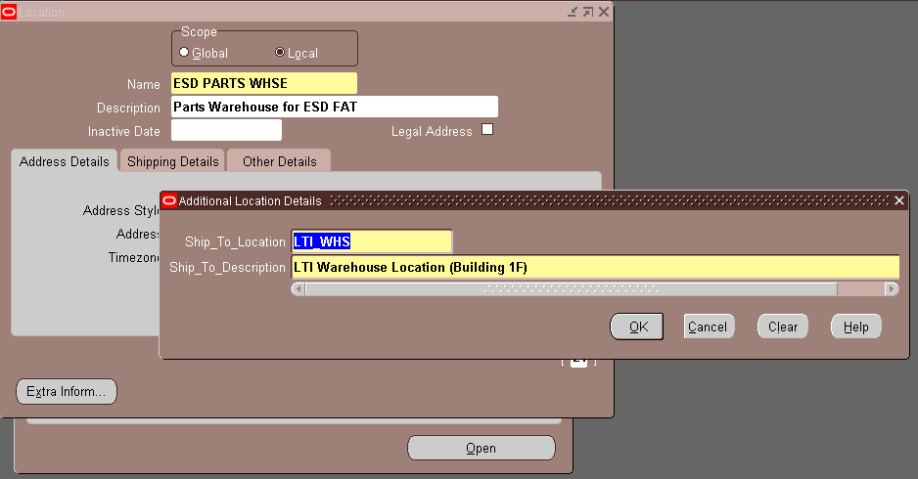
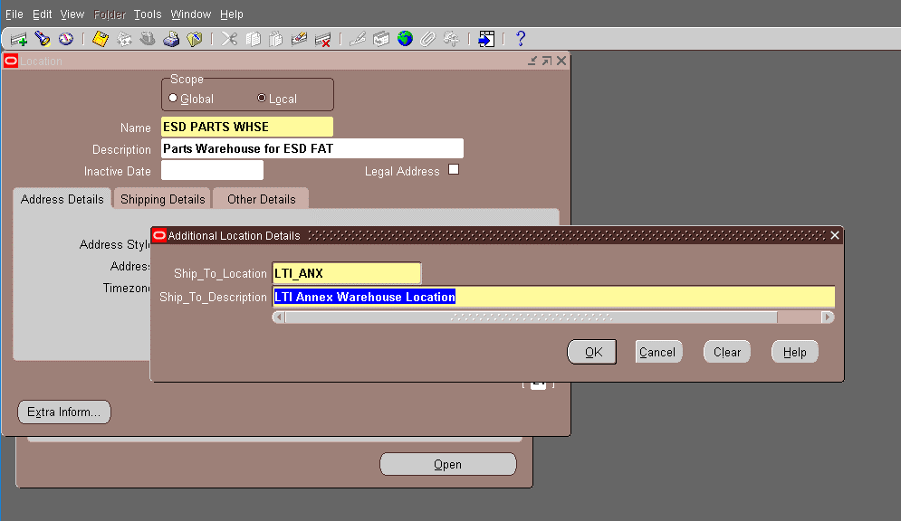
Actual Operation Evidence

Helpdesk Request
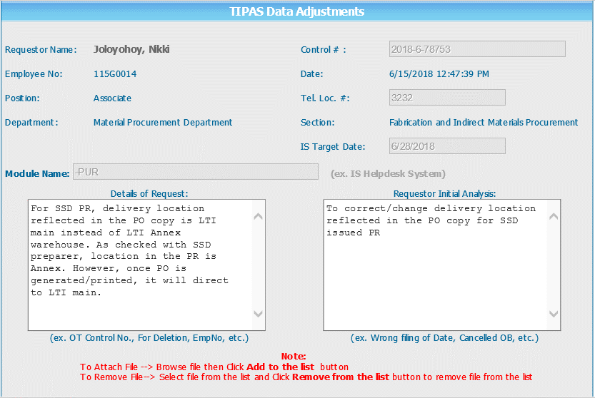
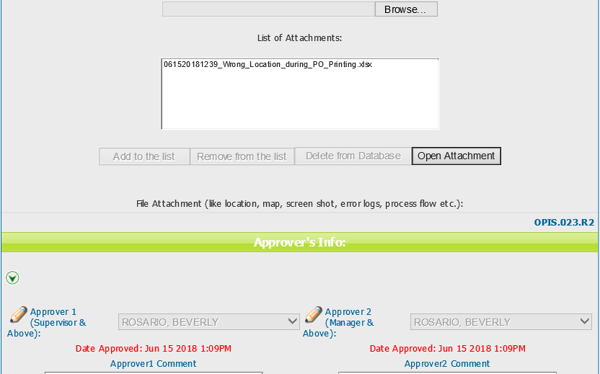
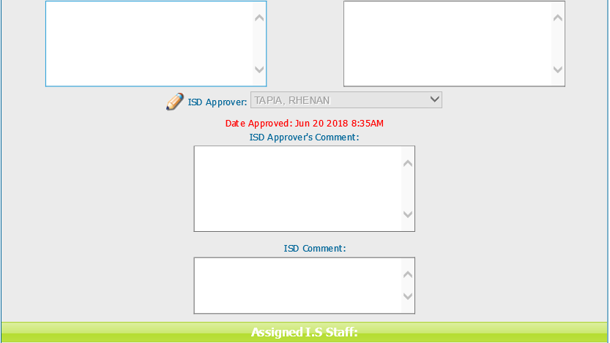
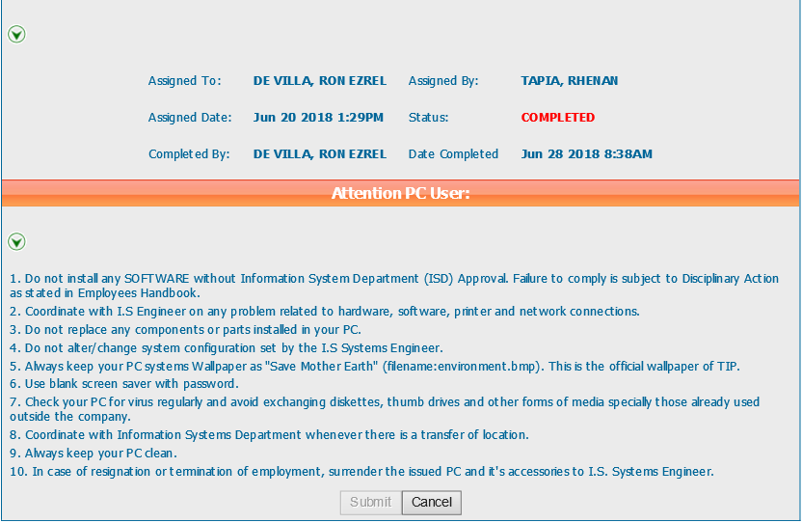
Helpdesk Request

 | ATTACH SCREENSHOT OF HELPDESK REQUEST.

